601 RP - CAR FRAME CALCULATION
 | OLS Inc. |  |  |  |  |  | Dec 31, 2013. 601102_REV: 5 |  |  | RPA 7FT CAR FRAME
 | 2 Cochran Drive
 | Ayr, On Canada, N0B 1E0 |  |  |  |  |  |  |  |  | T601 CAR FRAME HOISTWAY LAYOUT
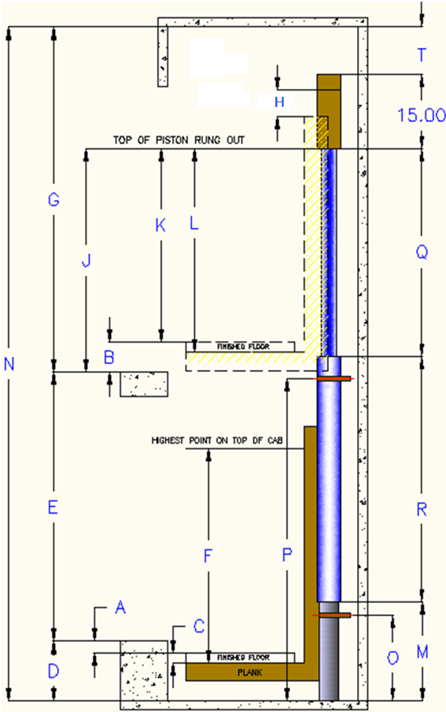
OLS PART No. |  |  |  |  |  |  |  |  | 601000
MODEL - |  |  |  |  | MODEL - | RPA 7FT CAR FRAME
T601 CAR FRAME CALCULATIONS

 |  | JOB NAME: |  |  | Lux Home Elevators
 |  | JOB NO:
 |  | PRINTED: |  |  | 2026-08-12

GENERAL DATA

 |  | A = | 2.00 | in. | Bottom under travel (BUT) minimum of 2 inches recommended
 |  | B = | 3.00 | in. | Top over travel (TOT) - minimum of 3.00 inches - can be increased as required
 |  | C = | 1.00 | in. | Thickness of platform including thickness of finished floor
 |  | D = | 8.00 | in. | Pit depth
 |  | E = | 150.00 | in. | Travel from bottom floor to top floor
 |  | F = | 80.00 | in. | Cab height from carframe plank to highest point on cab minimum
 |  | X = | 60.00 | in. | Cab height from Carframe plank to mounting braket (top unistrut)
 |  | G = | 96.50 | in. | Overhead
 |  | H = | 2.00 | in. | 3.00" inch of clearance is recommended
 |  | W1 = | 950 | Lbs | Capacity (Max 950Lbs)
 |  | W2 = | 729 | Lbs | Cab weight (Max 729Lbs)

CALCULATIONS

 |  | T = | 7.00 | in. | Sheave overhead clearance (Min 6" By Code)

 |  | T2 = | 15.50 | in. | Cab overhead clearance (Min 6" By Code)

 |  | J = | 72.50 | in. | Top of piston above the top floor when piston is rung out

 |  | K = | 69.50 | in. | Top of piston above finished cab floor when piston is rung out

 |  | L = | 70.50 | in. | Top of piston above car frame plank when pIston is rung out

 |  | M = | 38.50 | in. | Pillar Height

 |  | N = | 254.50 | in. | Total Hoistway

 |  | O = | 35.50 | in. | Location of Pillar Bracket from pit floor

 |  | P = | 128.50 | in. | Location of Jack Bracket from pit floor

 |  |  | 252.50 | in. | Total Rail Length (5" Extra above Sheave)

 |  |  | 6.00 | qty | Number of Rail Brackets (Based on 60 inch Max spacing)

 |  |  | 352.50 | in. | Rope Length each - (2 Required)

JACK INFORMATION

70mm JACK: 21LPM=36FPM/25LPM=44FPM

 |  |  | 77.50 | in. | Jack Stroke Required |  |  | 352 | psi No load static pressure

 |  | Q = | 93.00 | in. | Stroke of Jack Selected |  |  | 670 | psi Full load static pressure

 |  | R = | 101.00 | in. | Collapsed length of jack |  |  | 2.26 | gal Oil to fill jack

 |  | S = | 15.50 | in. | Piston extension for roping |  |  | 1.45 | gal Oil to fully extend piston

 |  |  | 156 | lb. | Jack weight

